Dashboard
SUPERMARKET SALES DASHBOARD

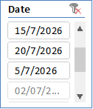
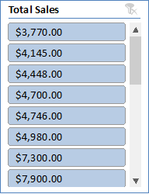
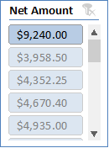
 | Total
Bakery | 11748
Beverage | 9446
Dairy | 77671
Food | 1139765
Grocery | 99591
Household | 78641
Snacks | 46343

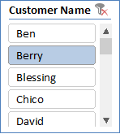
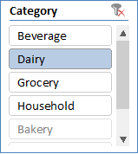
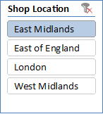

 | Total
Cash | 1182654
POS | 186379
Transfer | 94172

